BitReport_Min
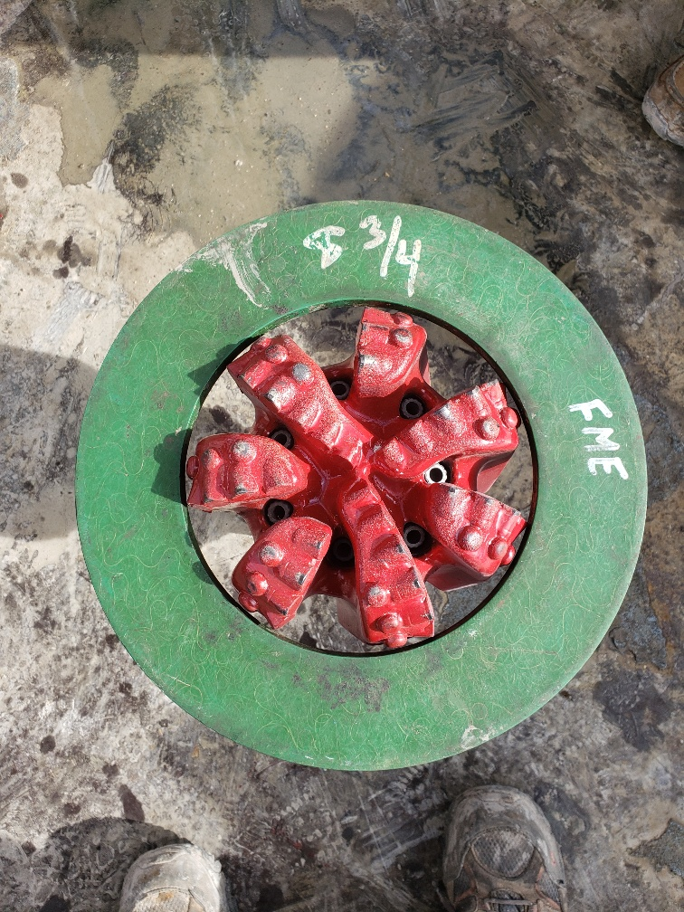
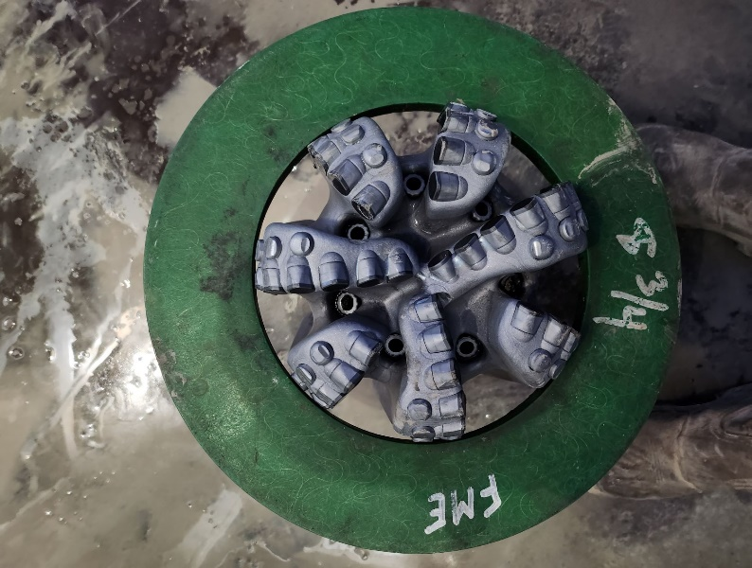
Dull Grading Report |  |  |  |  |  | 8.75 REED HYCALOG NOV TKC76-G1
Size (in) | 8.75 in |  | Rig | H&P 556 |  | Well | Carnival Fed Com 302H
Manufacturer | REED HYCALOG NOV
Type | TKC76-G1
Serial # | A289715
BOM #

MD In | 9,614 | Ft
MD Out | 10,490 | Ft
On Bottom | 13.2 | Hours
IADC | 15.8 | Hours
Footage | 876 | Ft
On Bot ROP | 66.4 | Ft/hr
IADC ROP | 55.6 | Hours

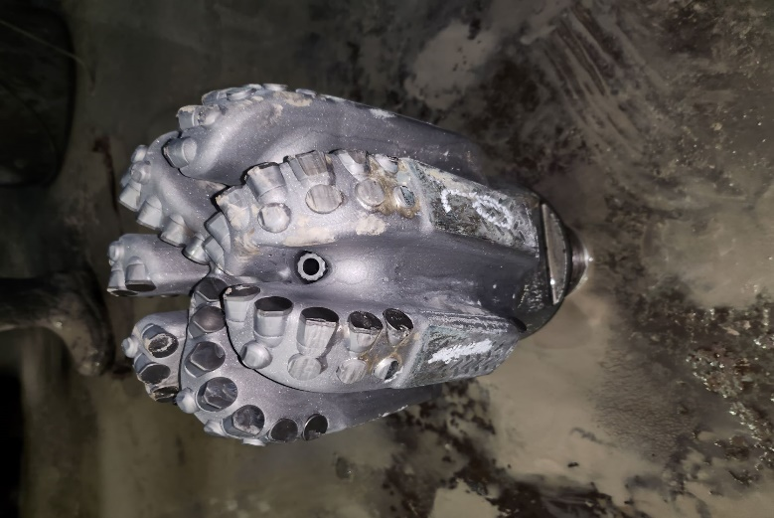
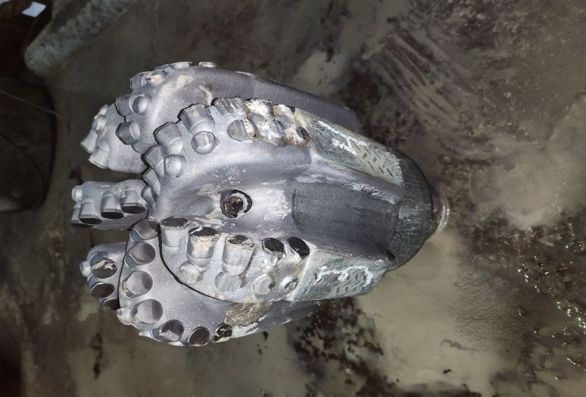
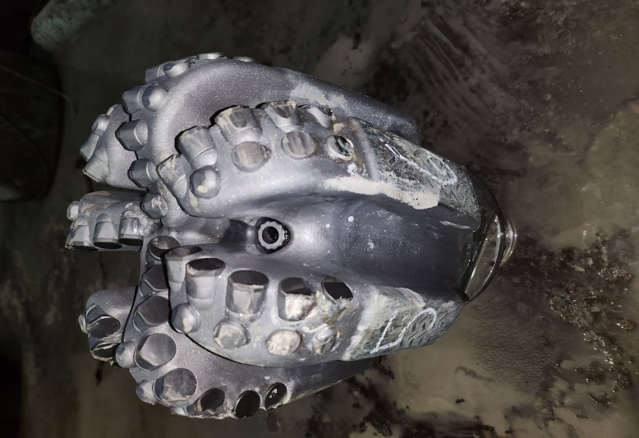
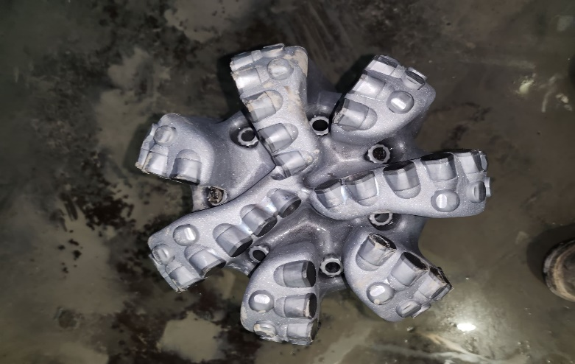

Inner | Outer | Char | Location | Bearings | Gage | Oth Chr | Rsn Pull
0 | 2 | DC | SH | X | IG | 0 | TD | Date : | 2-Mar-23

